1. Graph
Bar Graph - NPS Score
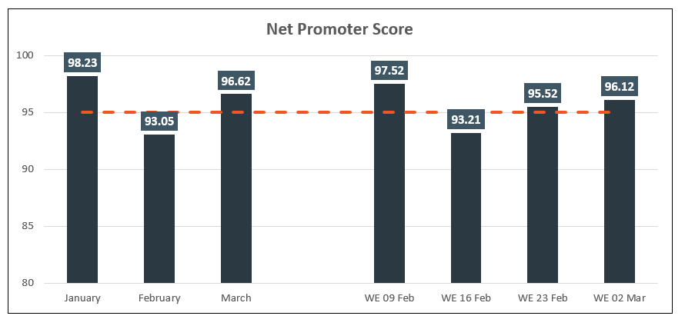

Net Promoter Score
 | NPS Score | Target
January | 98.23 | 95
February | 93.05 | 95
March | 96.62 | 95
 |  | 95
WE 09 Feb | 97.52 | 95
WE 16 Feb | 93.21 | 95
WE 23 Feb | 95.52 | 95
WE 02 Mar | 96.12 | 95

Create a bar graph that looks like the screenshot above using the below data and formatting options

 | Month | NPS Score | Target
 | January | 98.23 | 95 | Chart title: Bold - Size: 14
 | February | 93.05 | 95 | Data labels font: Bold - Size: 10
 | March | 96.62 | 95 | Data Labels: Custom color - Red: 63 Green: 87 Blue: 101
 |  |  | 95 | Bar: Custom color - Red: 48 Green: 58 Blue: 66
 | WE 09 Feb | 97.52 | 95 | Line: Custom color - Red: 241 Green: 85 Blue: 35
 | WE 16 Feb | 93.21 | 95 | Vertical axis format: Min: 80 Max: 100 Major: 5
 | WE 23 Feb | 95.52 | 95
 | WE 02 Mar | 96.12 | 95
 | Target | 95

4. Pivot table
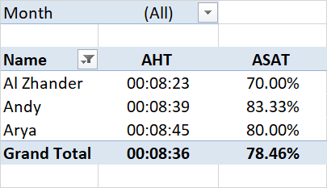
Name | LOB | Month | Date | Year | # of Calls | Handling Time (Mins) | Positive Surveys | Negative Surveys | AHT | ASAT | Month | (All)
Al Zhander | BoxyCharm | 1 | 1 | 1905-07-11 | 17 | 127.5 | 3 | 2 |  | 60%
Al Zhander | BoxyCharm | 1 | 31 | 1905-07-11 | 18 | 147.6 | 1 | 0 |  | 100% | Row Labels | Average of ASAT | Average of Handling Time (Mins)
Al Zhander | BoxyCharm | 2 | 10 | 1905-07-11 | 10 | 87 | 1 | 3 |  | 25% | Al Zhander | 73.67% | 1900-05-06 02:24:00
Al Zhander | BoxyCharm | 2 | 28 | 1905-07-11 | 22 | 209 | 4 | 0 |  | 100% | Andy | 85.00% | 1900-05-26 03:12:00
Al Zhander | BoxyCharm | 3 | 10 | 1905-07-11 | 19 | 161.5 | 5 | 1 |  | 83% | Arya | 76.67% | 1900-05-03 00:00:00
Al Zhander | BoxyCharm | 3 | 22 | 1905-07-11 | 5 | 30 | 0 | 0 |  |  | Grand Total | 78.73% | 1900-05-11 17:52:00
Andy | eBay | 1 | 1 | 1905-07-11 | 20 | 170 | 5 | 1 |  | 83%
Andy | eBay | 1 | 20 | 1905-07-11 | 15 | 105 | 6 | 0 |  | 100%
Andy | eBay | 2 | 1 | 1905-07-11 | 19 | 165.3 | 5 | 0 |  | 100%
Andy | eBay | 2 | 27 | 1905-07-11 | 15 | 135 | 3 | 2 |  | 60%
Instructions:
The goal of this Project is to gauge your familiarity of using Pivot and its functions.
Create a pivot table using the data in the left. The pivot table should show the following: - Name
- AHT in 0:00:00 format
- ASAT using the formula Positive surveys / (Positive + Negative surveys) in % format
- Filter for Month
- Filter out Blank data
The Pivot should look like the image on the right.
Andy | eBay | 3 | 5 | 1905-07-11 | 14 | 136.5 | 2 | 0 |  | 100%
Andy | eBay | 3 | 20 | 1905-07-11 | 19 | 171 | 4 | 2 |  | 67%
Arya | Priceline | 1 | 1 | 1905-07-11 | 16 | 144 | 4 | 0 |  | 100%
Arya | Priceline | 1 | 21 | 1905-07-11 | 16 | 128 | 2 | 0 |  | 100%
Arya | Priceline | 2 | 1 | 1905-07-11 | 12 | 102 | 3 | 2 |  | 60%
Arya | Priceline | 2 | 25 | 1905-07-11 | 21 | 210 | 2 | 0 |  | 100%
Arya | Priceline | 1 | 7 | 1905-03-14 | 10 | 90 | 1 | 0 |  | 100%
Arya | Priceline | 3 | 21 | 1905-07-11 | 10 | 70 | 0 | 1 |  | 0%

 |  | 76

Chart1
 | Total
CAL | 89
FDM | 470

5. Dashboard
Instructions:
Create a pivot table from the data in sheet "5. Raw data". You must be able to display the following metrics per client:
Volume
SLA%
After creating a pivot table, create a bar & line graph for each clients that shows the daily trend.
N.B.: This is the actual raw data extract from the client's tool
TIP: There are 2 clients :) - SLA is straightforward but you need to identify which is the most accurate date to use from all the available date data points

Row Labels | Count of RequiredDateTimeLocal
CAL | 89
FDM | 470
Grand Total | 559

